Printout
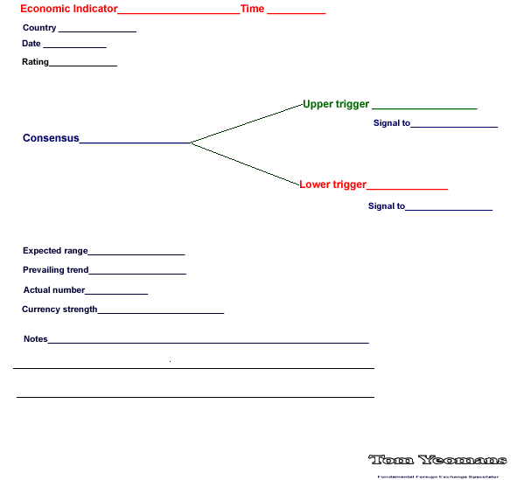

thelines
Strength Comparison
USD | 2.4
EUR | 6.0
GBP | 6.0
CHF | 5.1
CAD | 4.0
AUD | 0.0
NZD | 0.0
JPY | 3.4

Rubber Bands
Weight
USD | 2.4
EUR | 6.0
GBP | 6.0
CHF | 5.1
CAD | 4.0
AUD | 0.0
NZD | 0.0
JPY | 3.4

Total Strength
Relationships
 | Bid Ratio | PiP Range
AUDCAD | 59.88% | 67
AUDCHF | 51.86% | 59
AUDJPY | 54.59% | 60
AUDNZD | 0.00%
AUDUSD | 57.01% | 56
CADCHF | 36.76% | 32
CADJPY | 60.46% | 35
CHFJPY | 83.60% | 44
EURAUD | 58.35% | 123
EURCAD | 71.27% | 62
EURCHF | 54.47% | 23
EURGBP | 52.38% | 34
EURJPY | 80.93% | 37
EURNZD | 75.09% | 111
EURUSD | 86.59% | 33
GBPAUD | 58.97% | 159
GBPCAD | 76.22% | 84
GBPCHF | 72.47% | 59
GBPJPY | 79.70% | 59
GBPNZD | 0.00% | 0
GBPUSD | 89.98% | 49
NZDCAD | 55.21% | 63
NZDCHF | 61.64% | 74
NZDJPY | 55.84% | 63
NZDUSD | 51.21% | 49
USDCAD | 34.49% | 64
USDCHF | 2.30% | 26
USDJPY | 23.08% | 26

Installation
Currency Strength Meter Installation

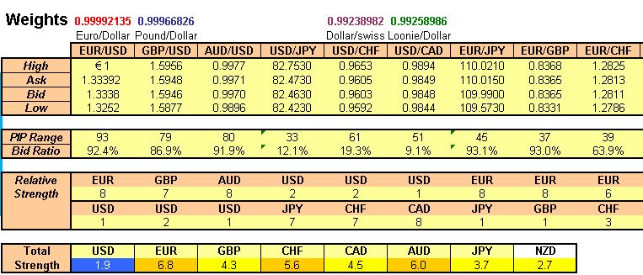

Requirements:
- Microsoft Excel Software.
- MetaTrader 4.0 Platform.

1. Download and Install MT 4 Platform – if you don’t already have it.

2. Enable DDE Server in the MT4 Platform
Once MT4 platform is installed, open platform, click on the “Tools” tab and then click on
“Options”. The Options window will come up; check the box next to “Enable DDE server” as
shown below and click on the “OK” button to save your settings.

3. Open Strength Meter
Once you have enabled the DDE server option in MT4, you may open the Strength meter
spreadsheet. You will need to have MT4 open every time before opening the meter.
Upon opening the spreadsheet, you may be asked to enable macros. Click on Enable Macros.

Then click on “Update” to retrieve data from MT4.

You may also be asked about links that cannot be updated, just click on “Continue”.

Once the spreadsheet opens up, you should see something similar as the 1st picture on top.

